Shipment Manifest (Proposed)
Aid and Relief Department

 | Final Manifest -
 |  | Recipient: | YWAM-Burundi
 |  | Country- | Burundi
 |  | Ship Date - May 5, 2026
 |  | Container # - TCKU6242194
 | Image |  |  | Description |  | Qty. | UofM | Date of Exp. | Condition | Value (USD) |  | Notes
 |  | 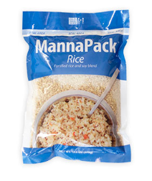 |  | MannaPack Rice |  | 1260 | Boxes | March 2029 | New | $4,900 |  | 35 pallets containing 1260 total boxes of MannaPack™-Rice Fortified Rice and Soy Protein Meal Packages. Each box contains 36-370g bags.
 |  |  |  |  |  |  |  |  | Total Value - | $4,900
 |  |  |  |  | A1580929

 |  |  |  |  |  |  |  |  |  |  | May 5, 2026
 |  | Stephen Oesterheld-Warehouse and Logistics Coordinator-Humantairian Aid
 |  |  | Signature |  |  |  |  |  |  |  |  | Date

