Sheet1
OOM-Honduras Propsed Manifest
Tentative Ship date | June 23, 2025

Proposed items | estimate amount | Notes
Large Rectangle Tables | 20.00 | 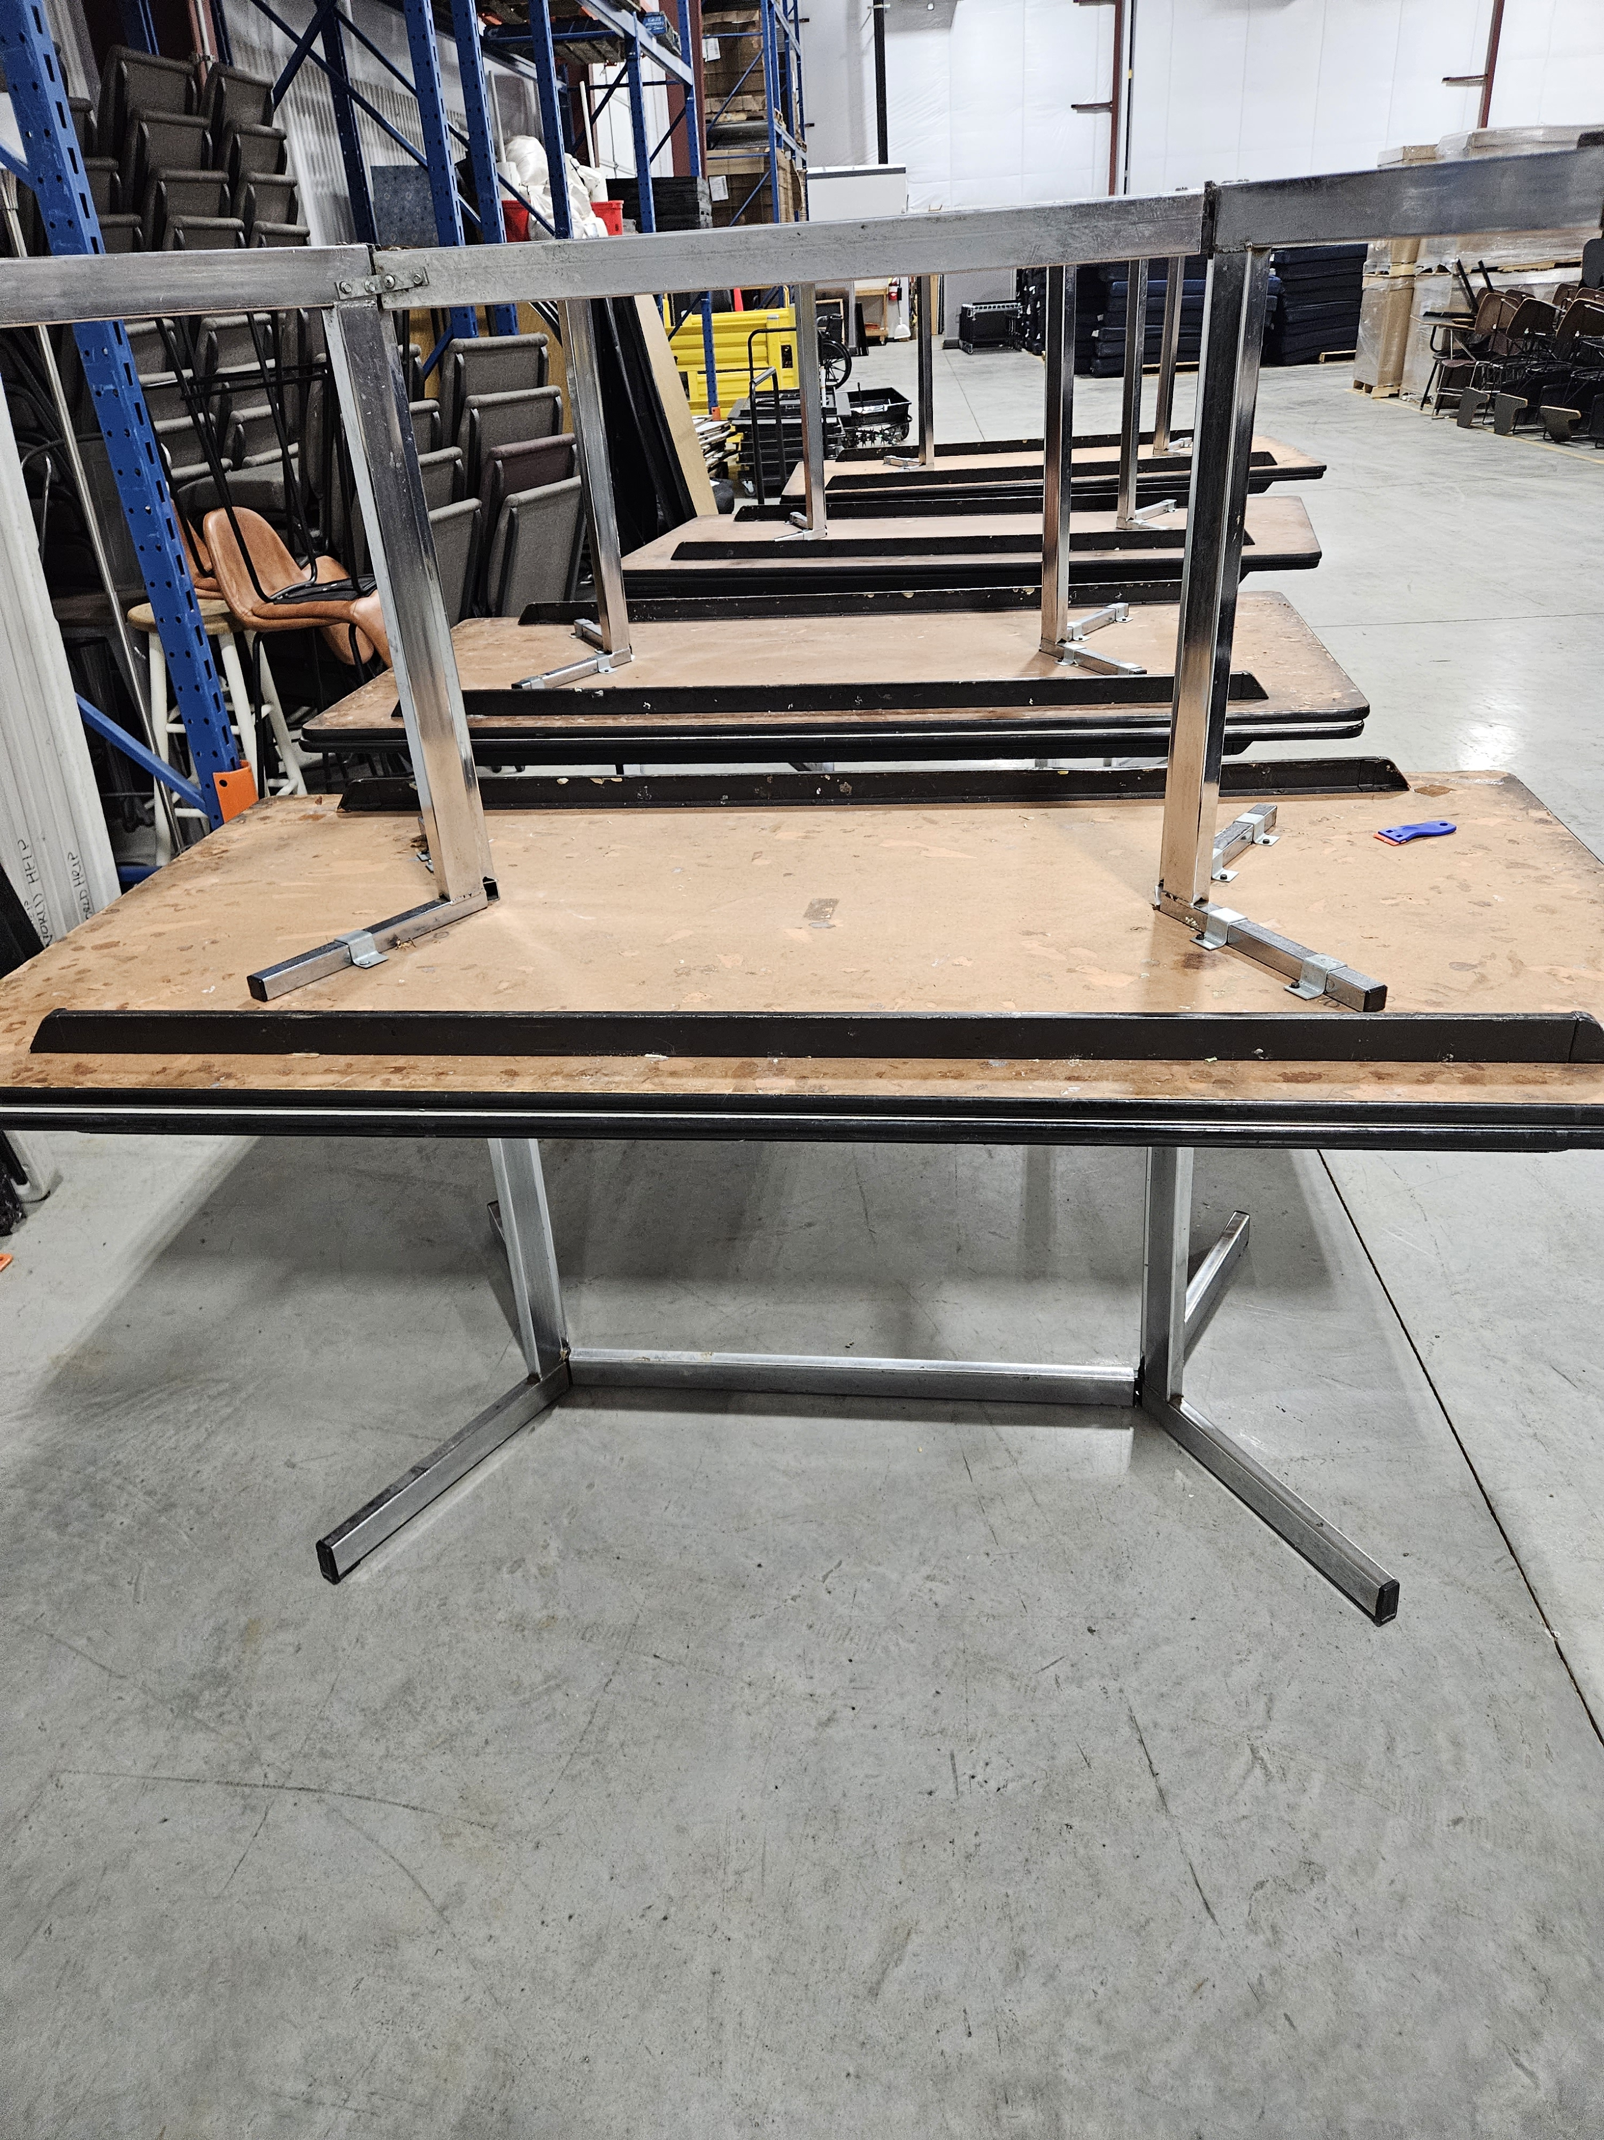
Large Round Table | 8.00 | 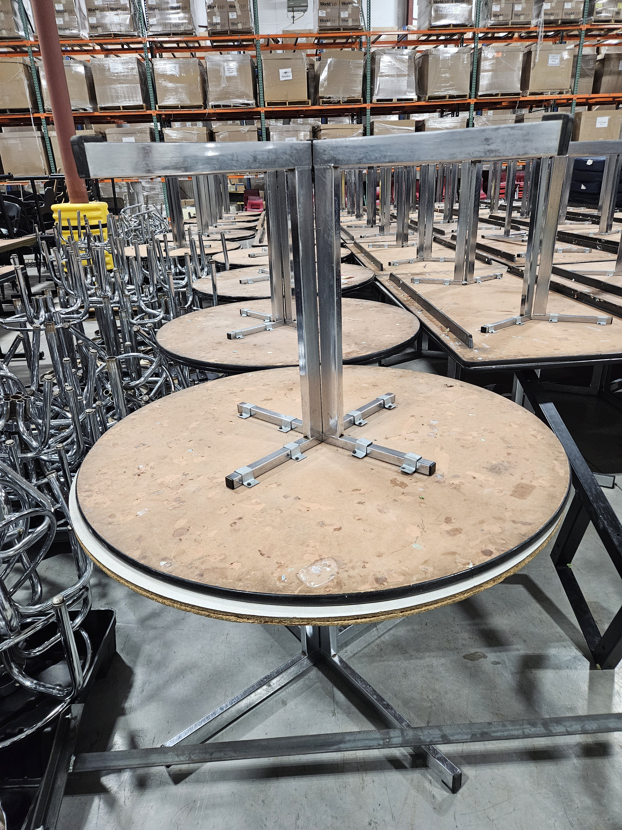
Desk and Chair Combo | 200.00 | 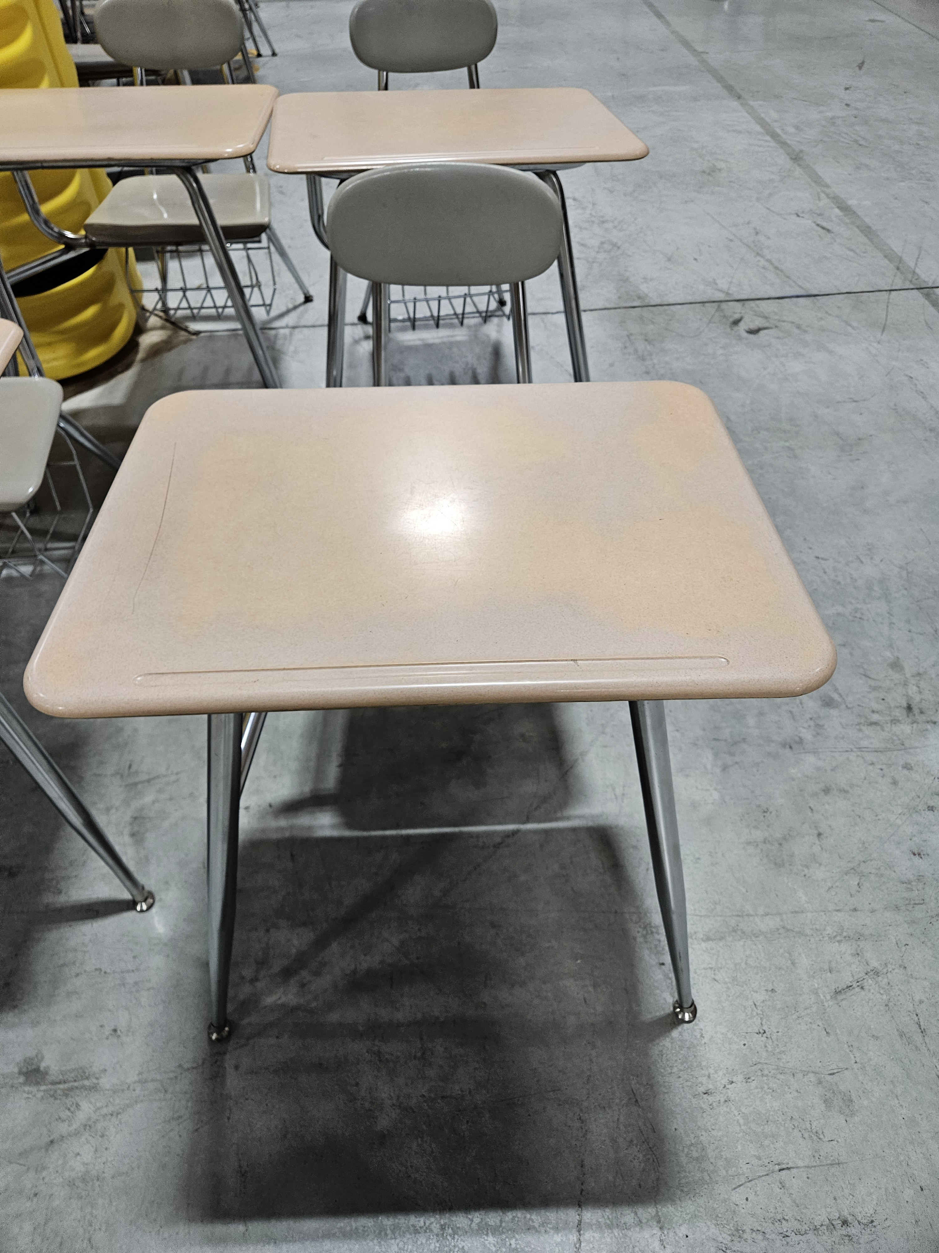 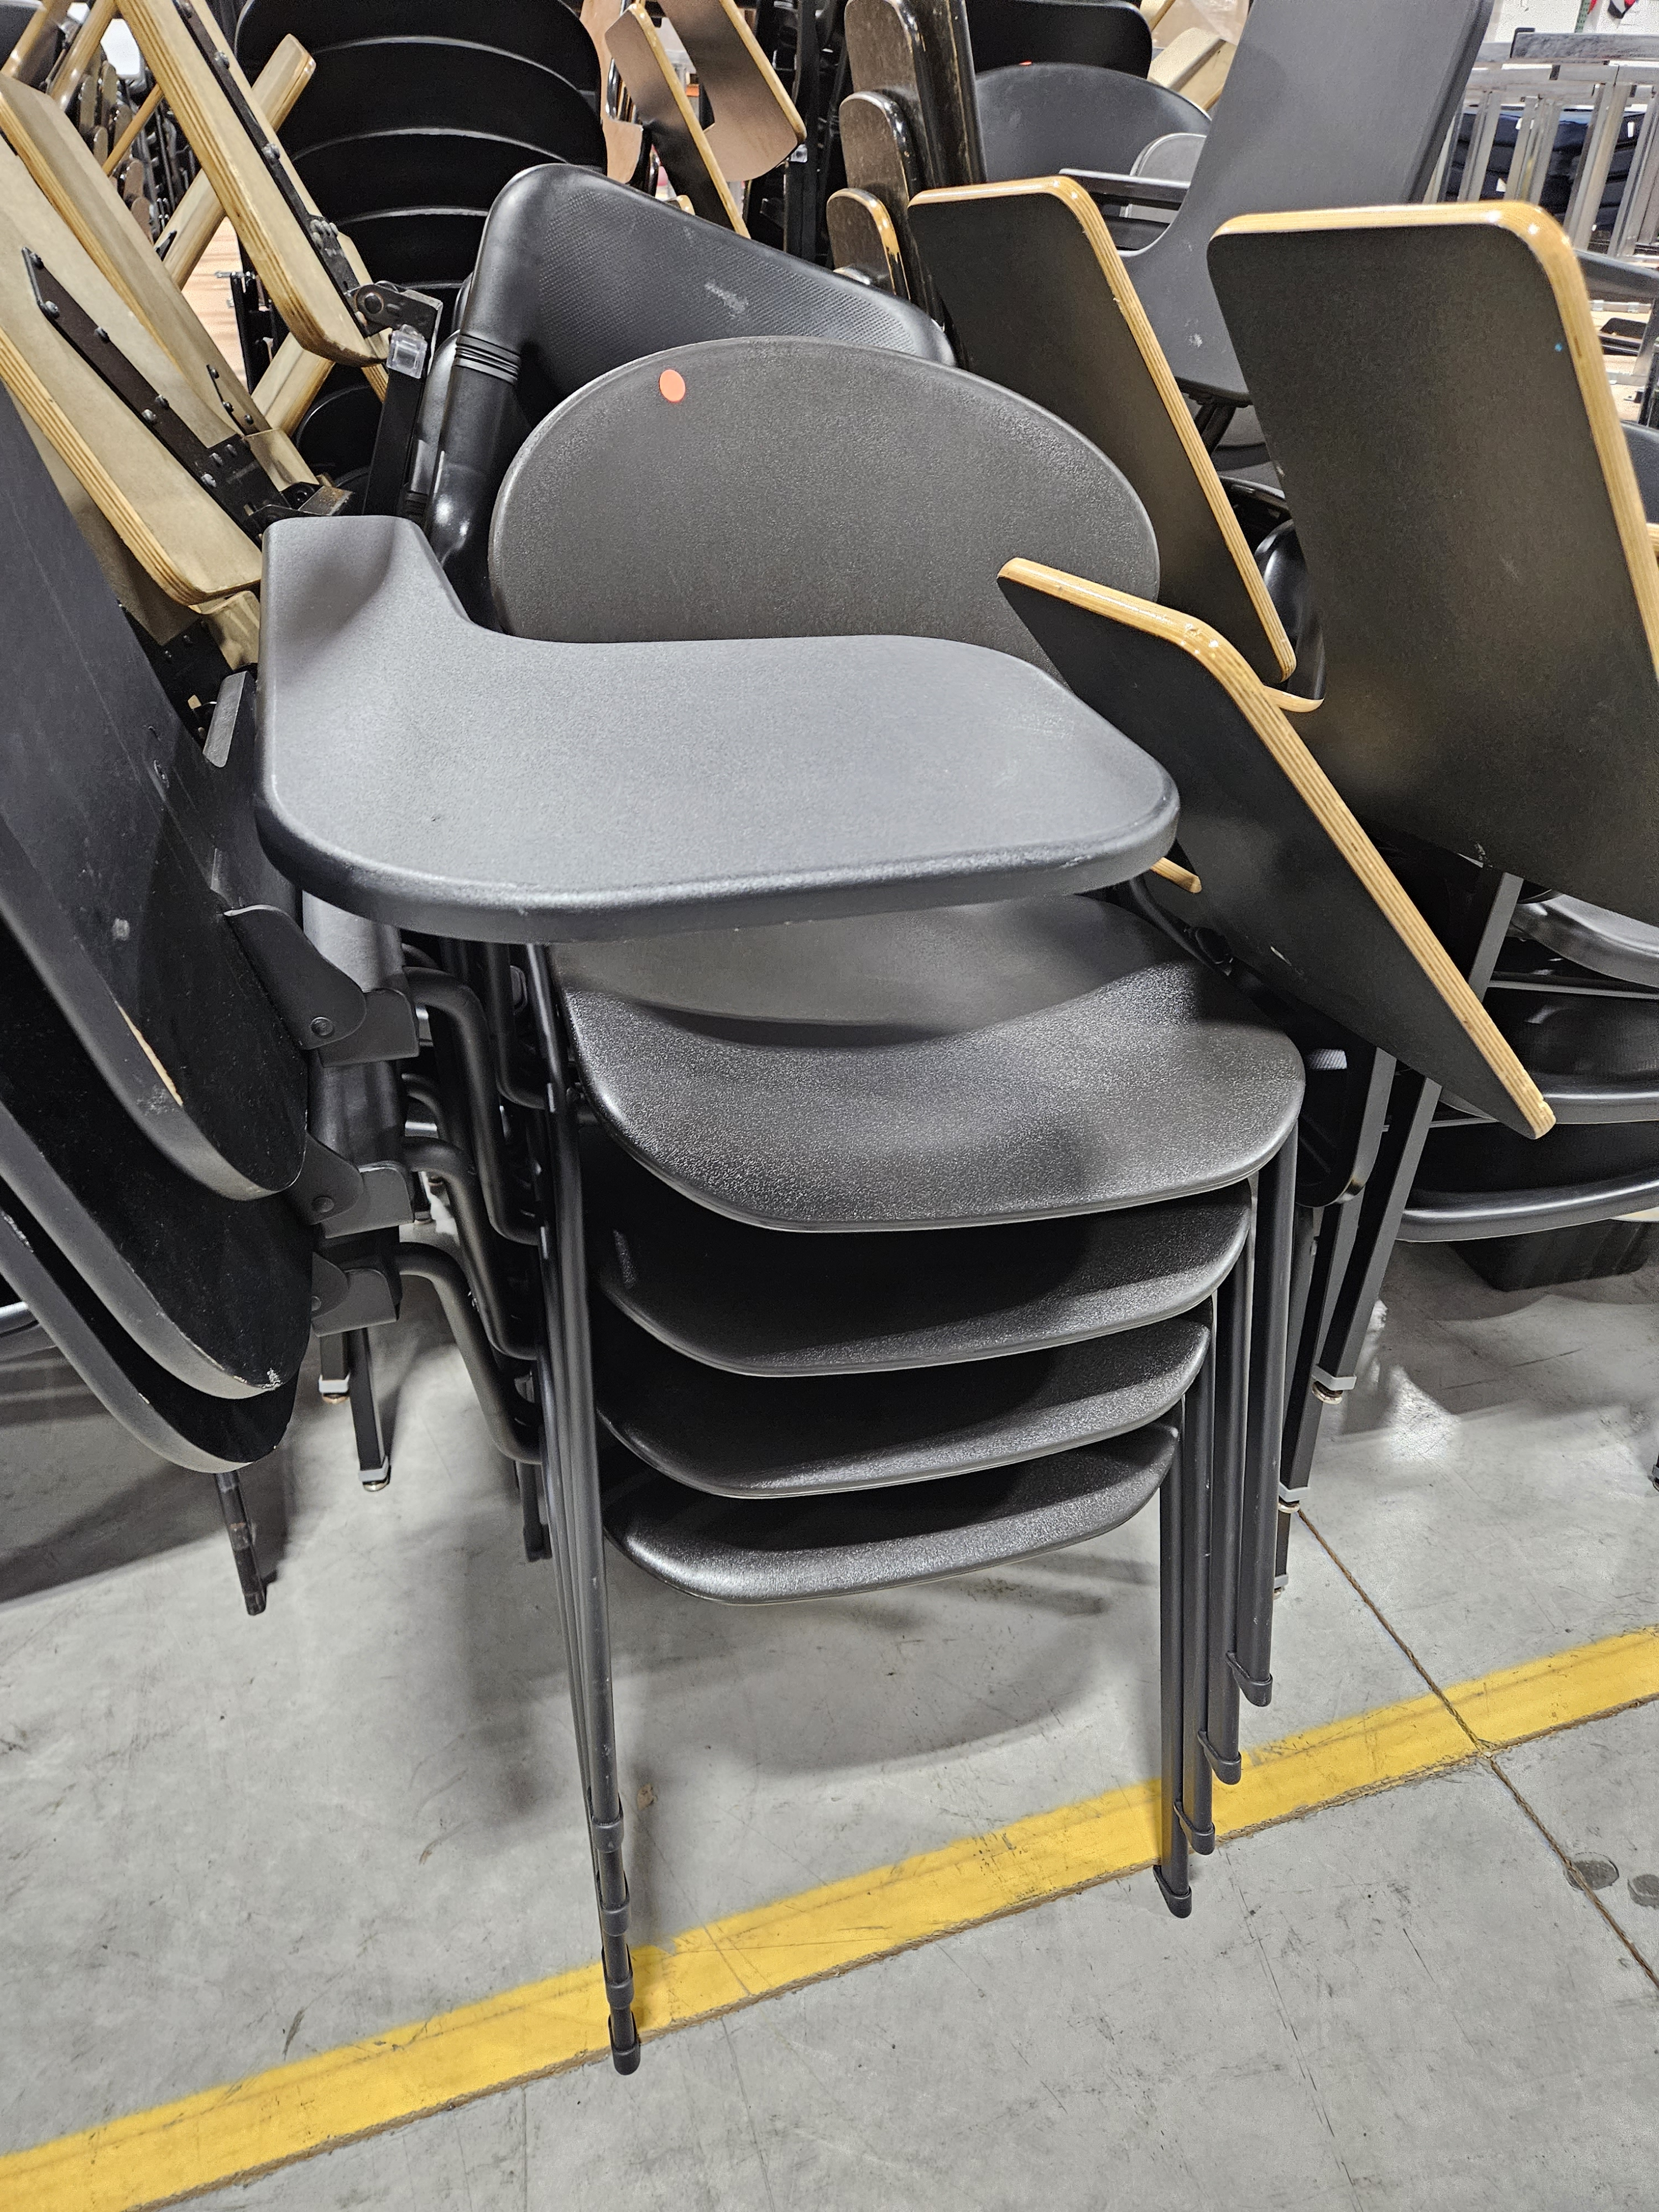
Plastic Chairs | 200.00 | 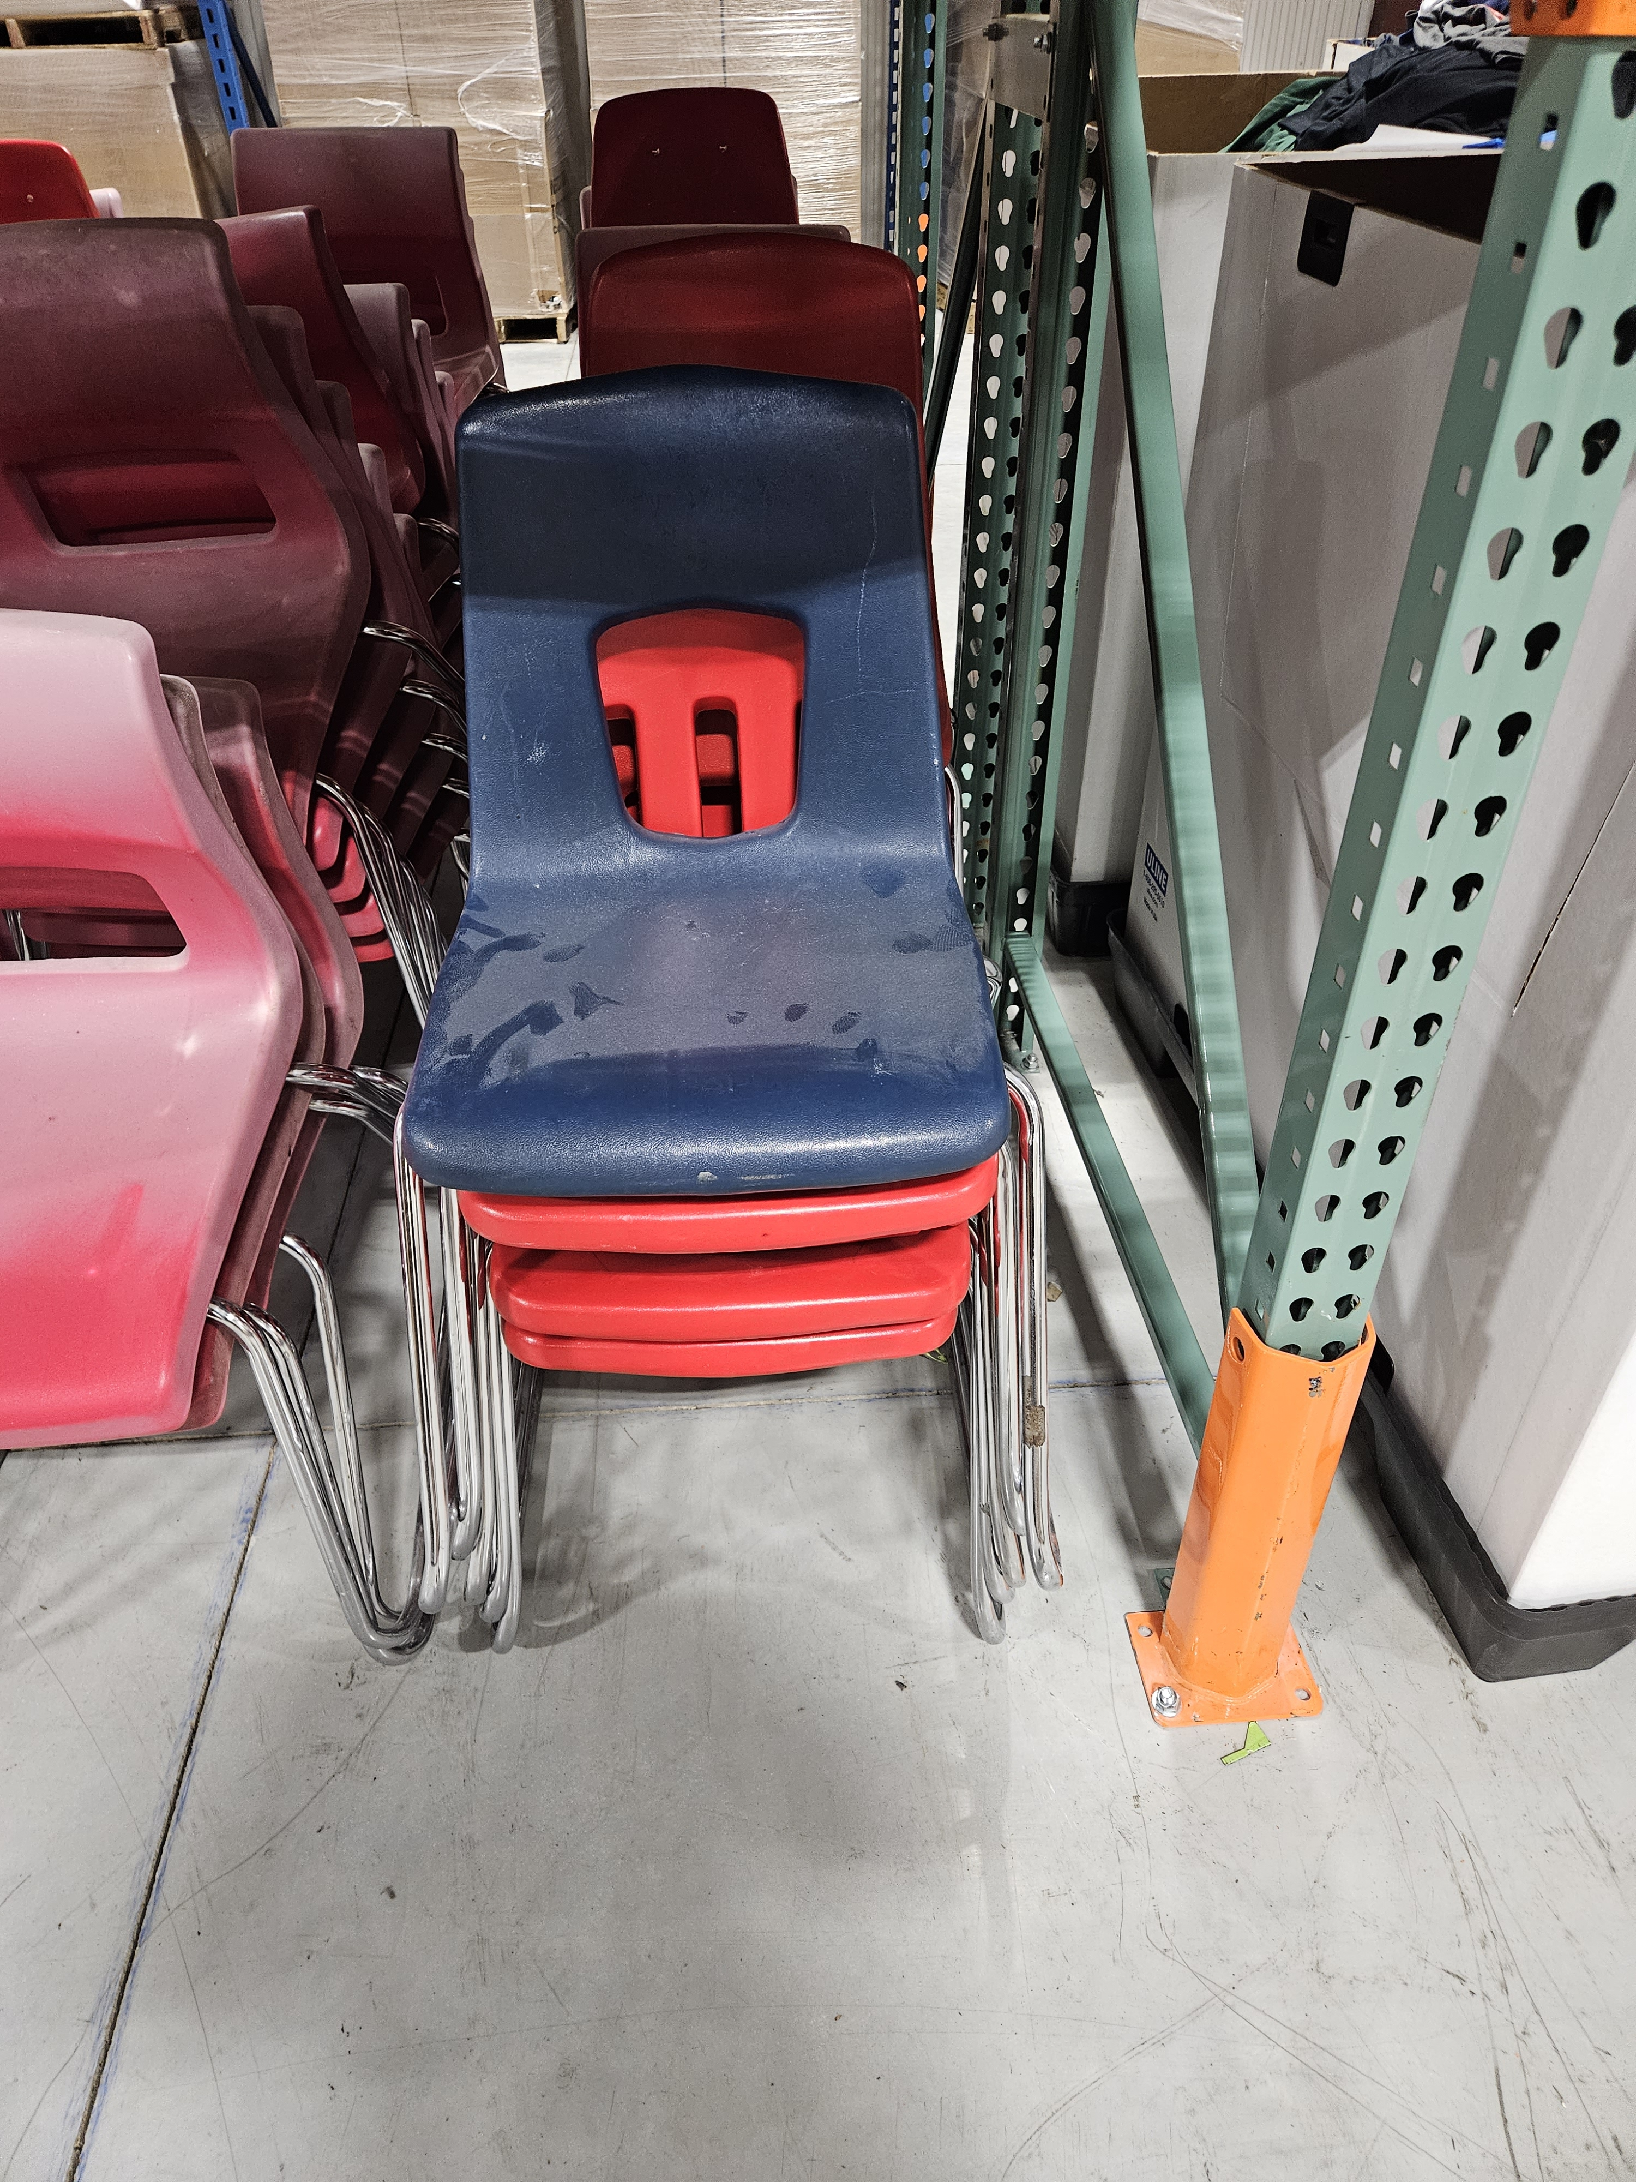
Mattress | 50.00 | 