Shipment Manifest (Proposed)
Aid and Relief Department

 | Final Manifest - S26021
 |  | Recipient: Asociacion Amando con Misericordia
 |  | Country - El Salvador
 |  | Ship Date -
 |  | Container # -
 | Image |  |  | Description | Qty. | UofM | Date of Exp. | Condition | Value (USD) | Notes
 | 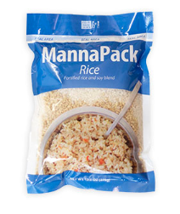 |  |  | MannaPack Rice | 1260 | Boxes |  | New | $5,000 | 35 pallets containing 1260 total boxes of MannaPack™-Rice Fortified Rice and Soy Protein Meal Packages. Each box contains 36 - 370g bags.
 |  |  |  |  |  |  |  | Total Value - | $5,000

 |  | Stephen Oesterheld- Warehouse and Logistics Coordinator-Humanitarian Aid
 |  |  | Signature |  |  |  |  |  |  | Date

