Shipment Manifest (Proposed)
Aid and Relief Department

 | Final Manifest -
 |  | Recipient: |  | CRL-Christian Road of Life
 |  | Country- |  | Urkaine
 |  | Ship Date - June 29, 2026
 |  | Container # - HAMU3475025
 | Image |  |  |  | Description | Qty. | UofM | Date of Exp. | Condition | Value (USD) |  | Notes
 |  | 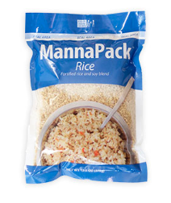 |  |  | MannaPack Rice | 1116 | Boxes | March 2029 | New | $4,000 |  | 31 pallets containing 1116 total boxes of MannaPack™-Rice Fortified Rice and Soy Protein Meal Packages. Each box contains 36-370g bags.
 |  |  | 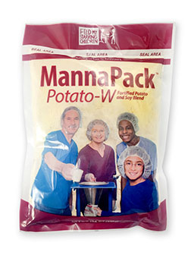 |  | MannaPack® Potato-W Fortified Potato | 144 | Boxes | March 2029 | New | $1,000 |  | 4 pallet(s) containing 144 boxes of MannaPack® Potato-W Fortified Potato and Soy Protein Meal Package. Each box contains 36 bags.
 |  |  |  |  |  |  |  |  |  | Total: $5,000

 |  |  |  |  |  |  |  |  |  |  | June 29, 2026
 |  | Stephen Oesterheld-Warehouse and Logistics Coordinator-Humantairian Aid
 |  |  |  | Signature |  |  |  |  |  |  |  | Date

