Shipment Manifest (Proposed)
Aid and Relief Department

 | Final Manifest -
 |  | Recipient: CEF-Child Evangelism Fellowship of South Sudan
 |  | Country: South Sudan
 |  | Ship Date: June 25, 2026
 |  | Container # - CLHU9034744
 | Image |  |  | Description | Qty. | UofM | Date of Exp. | Condition | Value (USD) |  | Notes
 |  |  | 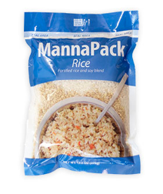 | MannaPack Rice | 1260 | Boxes | June 2029 | New | $5,000 |  | 35 pallets containing 1260 total boxes of MannaPack™-Rice Fortified Rice and Soy Protein Meal Packages. Each box contains 36-370g bags.
 |  |  |  |  |  |  |  | Total Value - | $5,000

 |  |  |  |  |  |  |  |  |  | June 25, 2026
 |  | Stephen Oesterheld - Warehouse and Logistics Coordinator-Humantairian Aid |  |  |  |  |  |  |  |  | Date
 |  |  | Signature

