Shipment Manifest (Proposed)
Aid and Relief Department

 | Final Manifest - S26010
 |  | Recipient: Christian Alliance for Children in Zambia
 |  | Country-Zambia
 |  | Ship Date - June 10, 2026
 |  | Container # - TCKU6353618
 | Image |  |  | Description | Qty. | UofM | Date of Exp. | Condition | Value (USD) |  | Notes
 | 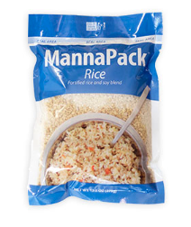 |  |  | MannaPack Rice | 1260 | Boxes |  | New | $5,000 |  | 35 pallets containing 1260 total boxes of MannaPack™-Rice Fortified Rice and Soy Protein Meal Packages. Each box contains 14-1kg. bags.
 |  |  |  |  |  |  |  | Total Value - | $5,000

 |  |  |  |  |  |  |  |  |  | June 10, 2026
 |  | Stephen Oesterheld - Warehouse and Logistics Coordinator-Humanitarian Aid |  |  |  |  |  |  |  |  | Date
 |  |  | Signature

